Core Java Preparation Plan Batc
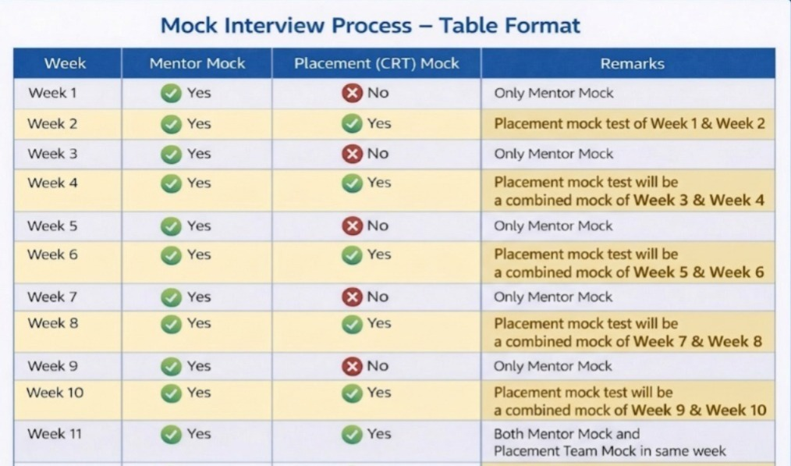
JAVA WEEKLY PREPARATION PLAN - BATCH 51
S.No | Topics | Schedule | Submission Date | Mock 1- Mentor | Mock 2 - CRT
Week 1 | Topics : 1, 2, 3, 4, 5, 6 | 30-Mar-26 TO 07-Apr-26 | 7-Apr-26 | Same Week
Week 2 | Topics : 7, 8, 9, 10 | 08-Apr-26 TO 14-Apr-26 | 14-Apr-26 | Same Week | Week 1 & Week 2
Week 3 | Topics : 11, 12, 13 | 15-Apr-26 TO 21-Apr-26 | 21-Apr-26 | Same Week
Week 4 | Topics : 14, 15, 16, 17, 18 | 22-Apr-26 TO 28-Apr-26 | 28-Apr-26 | Same Week | Week 3 & Week 4
Week 5 | Topics : 19, 20, 21 | 29-Apr-26 TO 05-May-26 | 5-May-26 | Same Week
Week 6 | Topics : 22, 23 | 06-May-26 TO 12-May-26 | 12-May-26 | Same Week | Week 5 & Week 6
Week 7 | Topics : 24, 25, 26, 27 | 13-May-26 TO 19-May-26 | 19-May-26 | Same Week
Week 8 | Topics : 28, 29 | 20-May-26 TO 26-May-26 | 26-May-26 | Same Week | Week 7 & Week 8
Week 9 | Topics : 30, 31, 32 | 27-May-26 TO 02-June-26 | 2-Jun-26 | Same Week
Week 10 | Topics : 33, 34, 35 | 03-June-26 TO 09-June-26 | 9-Jun-26 | Same Week | Week 9 & Week 10
Week 11 | Topics : 23 to 29, 32, 34 | 10-June-26 TO 16-June-26 | 16-Jun-26 | Same Week | Week 11

S.NO | TEST | SYLLABUS | TEST DATE | MODE
1 | GRAND TEST 1 | 01 to 25 Topics | Jun-2026 | Paper based Programming Test - 2 Hours
2 | GRAND TEST 2 | 26 to 35 Topics | Jun-2026 | Paper based Programming Test - 2 Hours

